ISOLATION
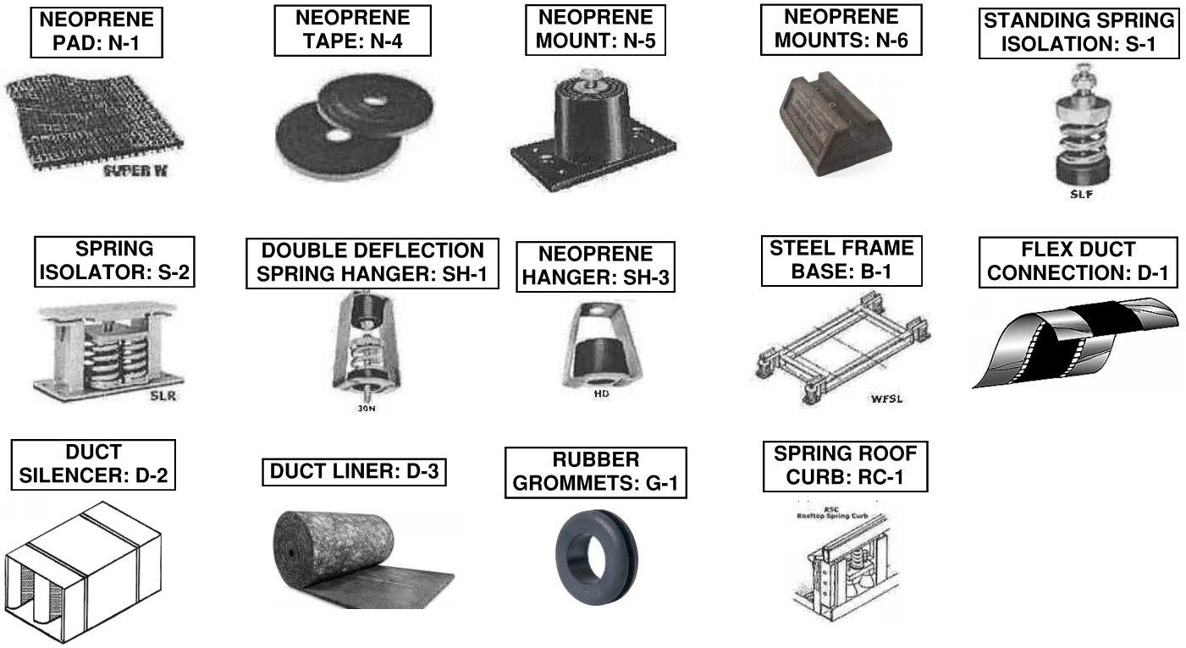
ISOLATION SCHEDULE
ISOLATED EQUIPMENT | ISOLATION TYPE | DEFLECTION PER INCH | LBS PER ISOLATOR | FT OF SOUND LINER NEEDED | QUANTITY | NOTES
BRANCH CONTROLLER | G-1 | N/A | 38 | 0 | 8 | HANG WITH ALLTHREAD. RUBBER GROMMET BELOW AND ABOVE FLANGE
BROAN AE SERIES FANS | G-1 | N/A | 3 | 0 | 8 | RUBBER GROMMET BELOW AND ABOVE FLANGE
BROAN L SERIES FANS | G-1 | N/A | 6 | 0 | 8 | RUBBER GROMMET BELOW AND ABOVE FLANGE
S&P INLINE FANS | G-1 | N/A | 5 | 0 | 8 | RUBBER GROMMET BELOW AND ABOVE FLANGE
TRASH EXHAUST FANS | N-1 | N/A | 45 | 0 | 1 | FAN TO SIT ON GREENHECK CURB WITH NEOPRENE PAD
RES VENTING FANS | G-1 | N/A | 3 | 0 | 8 | RUBBER GROMMET BELOW AND ABOVE FLANGE
WALL MOUNTED OHP (PUMY) | G-1 | N/A | 75 | 0 | 8 | WALL BRACKET INCLUDES NEOPRENE GROMMETS
WALL MOUNTED OHP (PUZ) | G-1 | N/A | 53 | 0 | 8 | WALL BRACKET INCLUDES NEOPRENE GROMMETS
WALL MOUNTED OHP (MUZ/SUZ) | G-1 | N/A | 30 | 0 | 8 | WALL BRACKET INCLUDES NEOPRENE GROMMETS
ROOF MOUNTED OHP | N-1 | N/A | 120 | 0 | 1 | MOUNT ON FAST JACK SUPPORT RACK WITH NEOPRENE PAD
DUCTED FAN COIL | G-1 | N/A | 22 | 0 | 8 | HANG WITH ALLTHREAD. RUBBER GROMMET BELOW AND ABOVE FLANGE
RTU'S | RC-1 | 1" | VARIES | 10 | 1 | FIRST TEN FEET OF SUPPLY AIR TO BE DUCTED
ROOFTOP VRF | B-1/N-1 | N/A | 670 | 0 | 1 | STEEL FRAME BASE WITH NEOPRENE PAD

